TestSummary
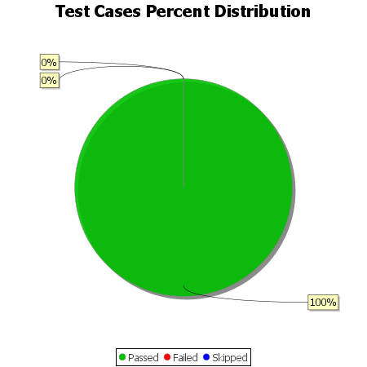
Total Test Cases | 6
Test Cases Passed | 6
Test Cases Failed | 0
Test Cases Skipped | 0

